Home
Cybersecurity Engagement Analysis

README
Summary
Tables
Features

Engagment Dashboard
Methodology
Users
Engagement

README
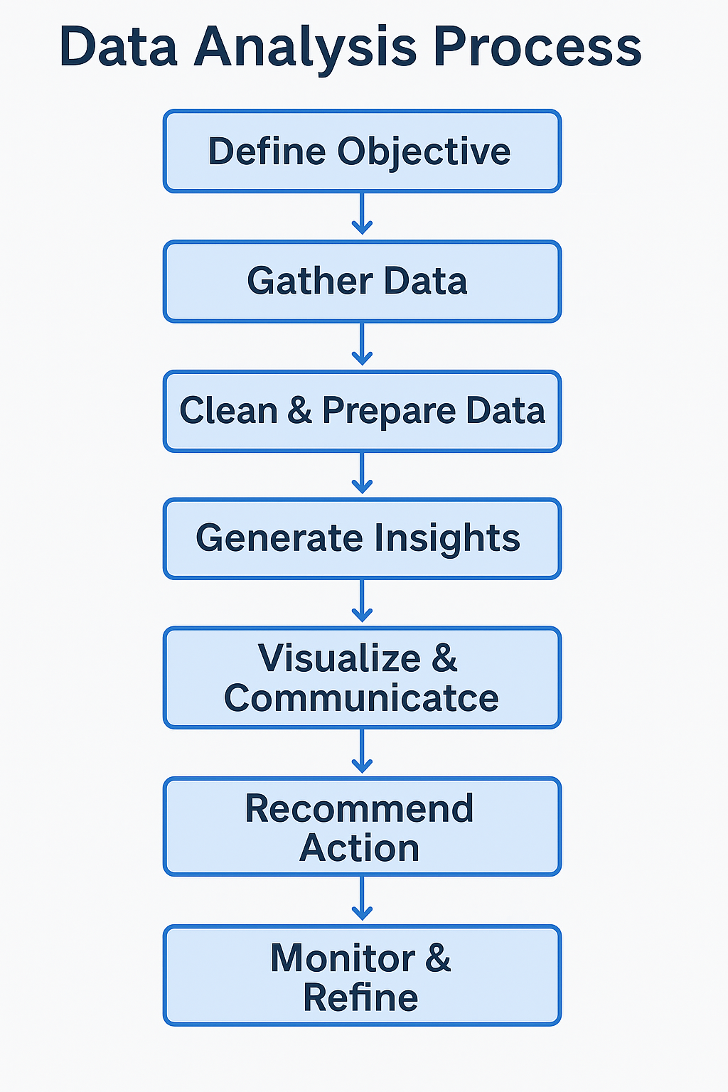

# 📊 Cybersecurity Engagement Analysis – Business Analyst Portfolio Project
## 🧠 Scenario
This project simulates a business case assignment for a fictional cybersecurity awareness platform. The company is seeking to improve user engagement, retention, and feature adoption through data-driven decision-making. As the analyst, your role is to extract meaningful insights, identify user behavior patterns, and provide actionable recommendations.
---
## 🎯 Objective
To assess and demonstrate the ability to:
- Translate business requirements into data analysis tasks
- Visualize insights clearly and effectively
- Deliver strategic recommendations based on user engagement data
---
## 📁 Dataset Overview
The dataset includes three Excel sheets:
- Users – User demographics and account details
- Engagement – Weekly activity logs per user
- Features – Feature usage metrics across the platform
---
## 🔍 Key Analyses
### 1. User Engment Analysis
- Identify the top 3 most engaged user groups
- Analyze behavior patterns and usage intensity
### 2. Churn Risk Identification
- Detect segments with declining engagement over the past 3 months
- Hypothesize reasons for user drop-off
### 3. Feature Adoption Evaluation
- Determine most and least used features
- Provide potential explanations for usage discrepancies
### 4. Growth Opportunity
- Identify at least one growth or retention opportunity
- Explain potential product or engagement impact
---
## 📊 Visualizations
- 2 clear, presentation-ready charts created in Excel
- Visuals designed for non-technical stakeholders
- Focused on user segmentation, trend analysis, and product performance
---
## 🧠 Strategic Recommendations
- Short summary of key findings
- Business-oriented suggestions for product or engagement improvements
- Written for a product or marketing decision-maker audience
---
## 🛠 Tools Used
- Microsoft Excel – Pivot tables, formulas, charts
---
## 💼 Outcome
This project highlights business intelligence skills in:
- Data interpretation
- Visual storytelling
- Strategic thinking
It reflects real-world work product for roles involving business analysis, product strategy, or customer engagement optimization.

Engagement Dashboard
Cybersecurity Engagement Dashboard

• User Behavior • Churn Risk • Feature Adoption
Engagement by Region and Subscription
Churn Risk

 | Basic | Enterprise | Free | Pro
Asia | 11721.583333 | 7511.125 | 10724.888889 | 10301.555556
Australia | 9728.1666667 | 7973.6666667 | 10705.5 | 13295.375
Europe | 11075.961538 | 14103.375 | 11711.157895 | 10909
North America | 9605.7083333 | 7947 | 11469.5 | 10259.357143
South America | 11060.896552 | 10155.444444 | 10713.545455 | 9826.8461538
 | Total
High Risk | 31069
Low Risk | 10355
Medium Risk | 34989

Summary
Summary and Key Findings
European users lead in average engagement across all subscription plans, with consistently high activity in logins, messages, and time spent on the platform. This suggests a strong product-market fit in the region and a reliable, engaged user base. Free-tier users show the highest average engagement per user, despite not contributing to revenue directly. Their frequent platform usage and high interaction levels indicate strong perceived value and represent a prime opportunity for upsell efforts.
The most engaging features are phishing simulations, reports, and quizzes—tools that promote active learning. In contrast, more passive features like training videos, threat alerts, and the knowledge base show lower engagement. This suggests that interactive, hands-on experiences are more effective in capturing user attention and driving ongoing platform usage.
Europe’s Enterprise plan has the highest engagement score by a wide margin, suggesting a strong product-market fit in that region. In contrast, Enterprise plans in other regions like Asia, North America, and Australia show significantly lower engagement, ranking near the bottom. This discrepancy may point to regional differences in how the Enterprise offering aligns with business needs, adoption levels, or user maturity. Europe may have stronger internal buy-in, better onboarding, or more tailored support driving higher usage.
A key growth opportunity lies in targeting highly engaged Free users—especially those in Europe—with upgrade campaigns or feature unlock incentives. These users already show meaningful platform activity, and converting even a small portion to paid plans could significantly boost revenue and improve retention. Europe’s strong engagement levels make it an ideal region to pilot these initiatives.

Methodology
User Engagement Scoring Methodology Summary
To evaluate user engagement, I created a custom Engagement Score based on three key activity metrics: Logins, Messages, and Minutes Active. Since these metrics are on different scales, I used a weighted formula to reflect their relative importance and normalize their impact:
Total Engagement = (0.2 * [Logins]) + (0.5 * [Messages]) + (0.3 * ([Minutes_Active] / 10))
This score allows for a fair comparison of user engagement across different segments and serves as the foundation for identifying high-value users and potential churn risks. The Minutes_Active was divided by 10 to bring it to scale with the other metrics.
Behavior Type (Active vs Passive)
Messages = active behavior (intentional engagement).
Minutes Active = mix of passive (e.g., idle time) and active.
Logins = possible passive behavior (just checking in)
Churn Risk
I calculated churn risk based on the number of days since a user's last logon. Users who had not logged in for more than 360 days were flagged as High Risk, indicating likely churn. Users inactive for 180 to 360 days were marked as Medium Risk, and those who had logged in within the last 180 days were considered Low Risk. This allowed us to proactively identify and segment users based on engagement recency, helping inform retention strategies.
Feature Adoption
The Usage Per Session is calculated by dividing the Total_Uses by the Unique_Sessions.

